OCCG North
OCCG North Locality Summary

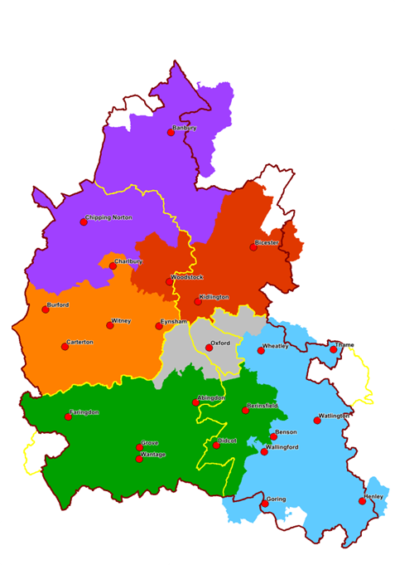
 | Area Summary |  |  |  |  | Tartan Rug
 | According to ONS 2017 mid-year estimates, there were 100,593 people living in North locality. Of these, 2,737 (2.7%) were aged 85+ and 5,909 (5.9%) were aged 0-4 years. Approximately 10% of households in this locality are estimated to be in fuel poverty. The highest proportions of fuel poverty are in Kingham, Rollright & Enstone, Chadlington & Churchill, and Wroxton. Lowest proportions are in Banbury Calthorpe and Banbury Hardwick. |  |  |  |  | Data are shown at ward level for ward boundaries in place in 2016. Health state life expectancy indicators use ward boundaries in place prior to 2016 which may be different from current boundaries and cause discrepancies in the tartan rug. These indicators are shown in a paler colour scheme. | Kings Sutton | Middleton Cheney | Ascott and Shipton | Chipping Norton | Kingham, Rollright and Enstone | Milton-Under-Wychwood | The Bartons | Chadlington and Churchill | Adderbury, Bloxham & Bodicote | Banbury, Calthorpe & Easington | Banbury Cross & Neithrop | Banbury Grimsbury & Hightown | Banbury Hardwick | Banbury Ruscote | Cropredy, Sibfords & Wroxton | Deddington

 | There are 926 care home beds in 21 care homes within the Oxfordshire wards of North locality. Numbers of care homes and beds are unavailable for the South Northamptonshire wards in this locality. In North locality, wards with the most indicators worse than Oxfordshire or England are concentrated in Banbury. Three wards have no indicators worse than average: The Bartons; Adderbury; Bloxham and Bodicote; and Deddington. Emergency hospital admissions for children aged under 5 is the indicator with the most wards worse than average in this locality. |  |  |  | Life expectancy at birth (Males) |  | 2 | 1 | 0 | 3 | 2 | 2 | 0 | 0 | 2 | 2 | 3 | 2 | 2 | 3 | 1 | 2
 |  |  |  |  | Life expectancy at birth (Females) |  | 2 | 2 | 2 | 3 | 1 | 2 | 2 | 0 | 2 | 2 | 3 | 3 | 2 | 3 | 2 | 1
 |  |  |  |  | Healthy life expectancy at birth (Males) |  | 2 | 1 | 2 | 3 | 2 | 2 | 2 | 2 | 1 | 2 | 3 | 3 | 2 | 3 | 1 | 1
 |  |  |  |  | Healthy life expectancy at birth (Females) |  | 2 | 2 | 1 | 2 | 2 | 1 | 2 | 2 | 1 | 2 | 3 | 3 | 3 | 3 | 1 | 2
 |  |  |  |  | Disability-free life expectancy at birth (Males) |  | 2 | 1 | 2 | 3 | 2 | 2 | 2 | 2 | 2 | 2 | 3 | 3 | 2 | 3 | 1 | 1
 |  |  |  |  | Disability-free life expectancy at birth (Females) |  | 3 | 2 | 2 | 2 | 2 | 1 | 2 | 2 | 1 | 2 | 3 | 3 | 3 | 3 | 1 | 2
 |  |  |  |  | Income deprivation affecting children |  | 2 | 1 | 1 | 2 | 1 | 1 | 1 | 2 | 1 | 1 | 3 | 3 | 3 | 3 | 1 | 1
 |  |  |  |  | Income deprivation |  | 2 | 1 | 1 | 3 | 1 | 1 | 1 | 3 | 1 | 1 | 3 | 3 | 3 | 3 | 1 | 1
 |  |  |  |  | Good level of development at 5 years |  | 2 | 2 | 2 | 2 | 1 | 2 | 2 | 2 | 2 | 2 | 3 | 2 | 2 | 3 | 1 | 1
 | GP Practices in North locality |  |  |  | Hospital admissions for injury, ages 0-4 years |  | 2 | 2 | 2 | 2 | 2 | 2 | 2 | 2 | 2 | 2 | 2 | 3 | 3 | 3 | 2 | 2
 |  |  |  |  | Emergency hospital admissions, ages 0-4 years |  | 2 | 3 | 3 | 3 | 3 | 3 | 2 | 3 | 2 | 3 | 3 | 3 | 3 | 3 | 3
 | K Code | Practice Name | Registered patients | There are 114,144 registered patients at GP practices within North locality. Of this patient population, 2.5% (2,896 patients) are aged 85 and over, compared to 2.3% in OCCG overall. Practices with the highest proportion of patients aged 85 and over are Wychwood Surgery (3.8%) and Cropredy Surgery (3.4%). The proportion of registered patient population aged 0-4 years in North locality is 5.4% (6,184 patients), compared to 5% in OCCG overall. Practices with the highest proportion of patients aged 0-4 are Banbury Health Centre (9.7%) and Woodlands Surgery (6.6%). | Obesity: Reception year |  | 0 | 2 | 2 | 2 | 2 | 2 | 2 | 2 | 2 | 2 | 2 | 2 | 2 | 2 | 2 | 2
 |  |  |  |  | Obesity: Year 6 |  | 2 | 1 | 2 | 2 | 2 | 2 | 2 | 2 | 2 | 2 | 3 | 3 | 2 | 3 | 2 | 2
 | K84024 | Windrush Surgery | 8,255 |  | Hospital admissions for injury, ages 0-14 years |  | 2 | 2 | 2 | 2 | 2 | 2 | 2 | 2 | 2 | 2 | 2 | 3 | 3 | 3 | 2 | 2
 | K84028 | West Bar Surgery | 18,485 |  | Hospital admissions for injury, ages 15-24 years |  | 2 | 2 | 2 | 2 | 2 | 2 | 2 | 2 | 2 | 2 | 2 | 2 | 1 | 3 | 2 | 2
 | K84030 | Chipping Norton Health Centre | 15,588 |  | Hospital admissions for self-harm, all ages |  | 1 | 1 | 2 | 2 | 1 | 2 | 1 | 2 | 1 | 2 | 1 | 3 | 1 | 3 | 1 | 1
 | K84040 | Horsefair Surgery | 14,801 |  | Emergency hospital admissions for COPD, all ages |  | 1 | 1 | 1 | 1 | 1 | 1 | 1 | 1 | 1 | 1 | 3 | 3 | 1 | 3 | 1 | 1
 | K84046 | Wychwood Surgery | 6,018 |  | Emergency hospital admissions for CHD, all ages |  | 2 | 1 | 2 | 1 | 1 | 2 | 2 | 2 | 1 | 1 | 2 | 2 | 2 | 3 | 1 | 1
 | K84055 | Deddington Health Centre | 11,606 |  | Emergency hospital admissions for Stroke, all ages |  | 2 | 2 | 2 | 2 | 1 | 2 | 2 | 2 | 1 | 2 | 2 | 3 | 2 | 3 | 1 | 1
 | K84056 | Cropredy Surgery | 3,924 |  | Hospital admissions for alcohol-related harm, all ages |  | 1 | 1 | 1 | 1 | 1 | 1 | 1 | 1 | 1 | 1 | 2 | 2 | 1 | 2 | 1 | 1
 | K84058 | Bloxham Surgery | 7,879 |  | Deaths from all cancers, age under 75 years |  | 2 | 2 | 2 | 2 | 2 | 2 | 2 | 2 | 2 | 1 | 2 | 2 | 2 | 3 | 2 | 2
 | K84059 | Hightown Surgery | 11,498 |  | Deaths from CHD, age under 75 years |  | 2 | 2 | 2 | 2 | 2 | 2 | 2 | 0 | 1 | 2 | 2 | 2 | 2 | 2 | 1 | 2
 | K84062 | Woodlands Surgery | 7,262 |  | Deaths from respiratory diseases, all ages |  | 2 | 2 | 2 | 3 | 2 | 1 | 2 | 2 | 1 | 1 | 2 | 2 | 2 | 3 | 2 | 2
 | K84065 | Sibford Gower Surgery | 2,769 |  | Deaths from stroke, all ages |  | 2 | 2 | 3 | 2 | 2 | 2 | 2 | 2 | 2 | 2 | 2 | 2 | 2 | 2 | 2 | 2
 | Y02754 | Banbury Health Centre | 6,059
 | NHS Digital, March 2019

Cherwell
Cherwell District Summary

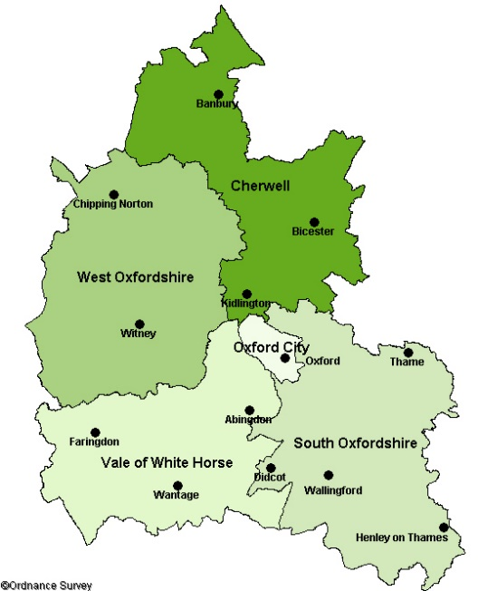
 | Area Summary |  |  |  |  | Tartan Rug
 | According to ONS 2017 mid-year estimates, there were 147,602 people living in Cherwell. Of these, 3,507 (2.4%) were aged 85+ and 9,158 (6.2%) were aged 0-4 years. Approximately 8.3% of households in this locality are estimated to be in fuel poverty. The highest proportions of fuel poverty are in Wroxton, Fringford and Cropredy. Lowest proportions are in Bicester. There are 23 care homes with 1,105 care home beds in Cherwell. Banbury Cross & Neithrop has the highest provision with 261 beds across 6 care homes. Five wards have no care home beds. |  |  |  |  | Data are shown at ward level for ward boundaries in place in 2016. Health state life expectancy indicators use ward boundaries in place prior to 2016 which may be different from current boundaries and cause discrepancies in the tartan rug. These indicators are shown in a paler colour scheme. | Adderbury, Bloxham & Bodicote | Banbury Cross & Neithrop | Banbury Grimsbury & Hightown | Banbury Hardwick | Banbury Ruscote | Banbury, Calthorpe & Easington | Bicester East | Bicester North & Caversfield | Bicester South & Ambrosden | Bicester West | Cropredy, Sibfords & Wroxton | Deddington | Fringford & Heyfords | Kidlington East | Kidlington West | Launton & Otmoor

 |  |  |  |  | Life expectancy at birth (Males) |  | 2 | 3 | 2 | 2 | 3 | 2 | 2 | 2 | 2 | 2 | 1 | 2 | 2 | 2 | 2 | 3
 | In Cherwell, wards with the most indicators worse than Oxfordshire or England are in Banbury. Three of the four Banbury wards have no indicators significantly better than Oxfordshire or England. Five of the sixteen Cherwell wards have no indicators worse than average: Adderbury, Bloxham & Bodicote; Bicester South & Ambrosden; Deddington; Fringford & Heyfords; and Kidlington East. The indicators with the most wards worse than average are health state life expectancies and emergency hospital admissions in children aged 0-4 years. |  |  |  | Life expectancy at birth (Females) |  | 2 | 2 | 3 | 2 | 3 | 2 | 2 | 3 | 2 | 2 | 2 | 1 | 2 | 2 | 2 | 2
 |  |  |  |  | Healthy life expectancy at birth (Males) |  | 1 | 3 | 3 | 2 | 3 | 2 | 3 | 3 | 1 | 2 | 2 | 1 | 1 | 2 | 2 | 2
 |  |  |  |  | Healthy life expectancy at birth (Females) |  | 2 | 3 | 3 | 3 | 3 | 2 | 3 | 3 | 2 | 3 | 2 | 2 | 1 | 2 | 2 | 2
 |  |  |  |  | Disability-free life expectancy at birth (Males) |  | 2 | 3 | 3 | 2 | 3 | 2 | 3 | 2 | 1 | 2 | 1 | 1 | 1 | 2 | 2 | 3
 |  |  |  |  | Disability-free life expectancy at birth (Females) |  | 1 | 3 | 3 | 3 | 3 | 2 | 3 | 3 | 1 | 3 | 2 | 2 | 2 | 2 | 2 | 2
 |  |  |  |  | Income deprivation affecting children |  | 1 | 3 | 3 | 3 | 3 | 1 | 2 | 1 | 1 | 2 | 1 | 1 | 1 | 2 | 2 | 1
 | GP Practices in Cherwell |  |  |  | Income deprivation |  | 1 | 3 | 3 | 3 | 3 | 1 | 3 | 1 | 1 | 2 | 1 | 1 | 1 | 2 | 1 | 1
 |  |  |  |  | Good level of development at 5 years |  | 2 | 3 | 2 | 2 | 3 | 2 | 2 | 2 | 2 | 2 | 1 | 1 | 2 | 2 | 2 | 2
 | K Code | Practice Name | Registered patients | There are 168,419 registered patients at GP practices within Cherwell. Of this patient population, 3,847 patients (2.3%) are aged 85+ years. Practices with the highest proportion of patients aged 85 and over are Gosford Hill Medical Centre (3.9%) and Cropredy Surgery (3.4%) . The proportion of registered patient population aged 0-4 years in Cherwell is 5.7% (9,649 patients). Practices with the highest proportion of patients aged 0-4 are Banbury Health Centre (9.7%), Woodlands Surgery (6.6%) and Alchester Medical Group (Langford Medical Practice) (6.3%). | Hospital admissions for injury, ages 0-4 years |  | 2 | 2 | 3 | 3 | 3 | 2 | 2 | 2 | 2 | 2 | 2 | 2 | 2 | 2 | 2 | 2
 |  |  |  |  | Emergency hospital admissions, ages 0-4 years |  | 2 | 3 | 3 | 3 | 3 | 3 | 2 | 2 | 2 | 3 | 3 | 2 | 2 | 2 | 2 | 3
 | K84003 | Islip Surgery | 5,898 |  | Obesity: Reception year |  | 2 | 2 | 2 | 2 | 2 | 2 | 2 | 2 | 2 | 2 | 2 | 2 | 2 | 2 | 2 | 2
 | K84024 | Windrush Surgery | 8,255 |  | Obesity: Year 6 |  | 2 | 3 | 3 | 2 | 3 | 2 | 2 | 2 | 2 | 2 | 2 | 2 | 2 | 2 | 2 | 2
 | K84028 | West Bar Surgery | 18,485 |  | Hospital admissions for injury, ages 0-14 years |  | 2 | 2 | 3 | 3 | 3 | 2 | 2 | 2 | 2 | 2 | 2 | 2 | 2 | 2 | 2 | 2
 | K84038 | Montgomery House Surgery | 15,389 |  | Hospital admissions for injury, ages 15-24 years |  | 2 | 2 | 2 | 1 | 3 | 2 | 2 | 2 | 2 | 2 | 2 | 2 | 2 | 2 | 3 | 2
 | K84040 | Horsefair Surgery | 14,801 |  | Hospital admissions for self-harm, all ages |  | 1 | 3 | 3 | 1 | 3 | 2 | 2 | 1 | 1 | 2 | 1 | 1 | 1 | 2 | 2 | 1
 | K84045 | Gosford Hill Medical Centre | 7,205 |  | Emergency hospital admissions for COPD, all ages |  | 1 | 3 | 3 | 1 | 3 | 1 | 2 | 1 | 1 | 2 | 1 | 1 | 1 | 1 | 1 | 1
 | K84052 | Bicester Health Centre | 14,297 |  | Emergency hospital admissions for CHD, all ages |  | 1 | 2 | 2 | 2 | 3 | 1 | 2 | 2 | 2 | 1 | 1 | 1 | 1 | 1 | 1 | 1
 | K84055 | Deddington Health Centre | 11,606 |  | Emergency hospital admissions for Stroke, all ages |  | 1 | 2 | 3 | 2 | 3 | 2 | 2 | 2 | 2 | 2 | 1 | 1 | 2 | 2 | 2 | 1
 | K84056 | Cropredy Surgery | 3,924 |  | Hospital admissions for alcohol-related harm, all ages |  | 1 | 2 | 2 | 1 | 2 | 1 | 2 | 1 | 1 | 1 | 1 | 1 | 1 | 2 | 1 | 1
 | K84058 | Bloxham Surgery | 7,879 |  | Deaths from all cancers, age under 75 years |  | 2 | 2 | 2 | 2 | 3 | 1 | 2 | 2 | 2 | 2 | 2 | 2 | 2 | 2 | 2 | 2
 | K84059 | Hightown Surgery | 11,498 |  | Deaths from CHD, age under 75 years |  | 1 | 2 | 2 | 2 | 2 | 2 | 2 | 2 | 2 | 2 | 1 | 2 | 1 | 2 | 1 | 2
 | K84062 | Woodlands Surgery | 7,262 |  | Deaths from respiratory diseases, all ages |  | 1 | 2 | 2 | 2 | 3 | 1 | 2 | 3 | 2 | 2 | 2 | 2 | 1 | 2 | 2 | 2
 | K84065 | Sibford Gower Surgery | 2,769 |  | Deaths from stroke, all ages |  | 2 | 2 | 2 | 2 | 2 | 2 | 2 | 2 | 2 | 1 | 2 | 2 | 2 | 1 | 2 | 2
 | K84082 | The Key Medical Centre | 13,011
 | K84613 | Alchester Medical Group | 20,081
 | Y02754 | Banbury Health Centre | 6,059
 | NHS Digital, March 2019

